Non-Member Instructions
Instructions on this sheet are for users that are not members of The Green Grid.

Adding data to The Green Grid’s SERT / BenchSee Results project

Thank you for participating in The Green Grid’s “BenchSee results evaluation” project. Uploaded data is not accessible to anyone but the leader of the project (Jay Dietrich) and the staff of The Green Grid. Before any data will be shared it will be anonymized and aggregated with other data that has been collected.
To submit your data file, you will need to access The Green Grid’s secure collaborative workspace (Causeway platform).

 | • The first step is to register a profile. Navigate to log-in page and click the Register Now button. See Log-in Link Below.
 | Log In

· On the page that pops up, fill in the basic information (red asterisked fields are required). Make sure to select the ‘Holding company for Data Providers’ option from the ‘Company’ drop down menu.
· A profile will be created, and you will receive an email. Click the link in the message to create your password and confirm the registration.
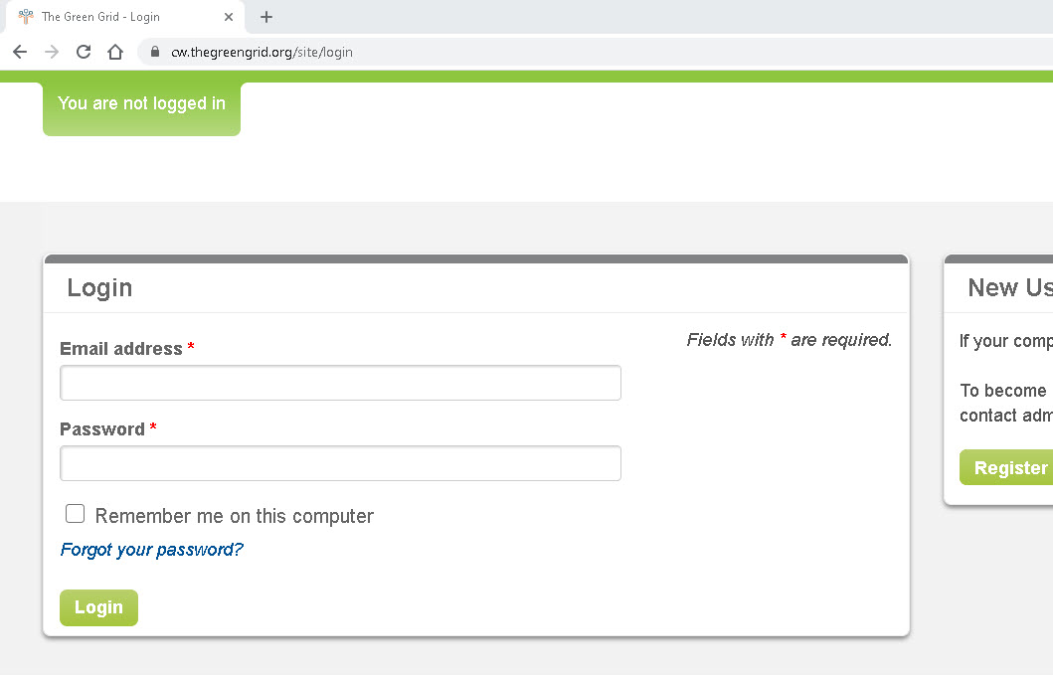

· When you are ready to submit your data file return to the log-in page and log in.

· You will see this page:
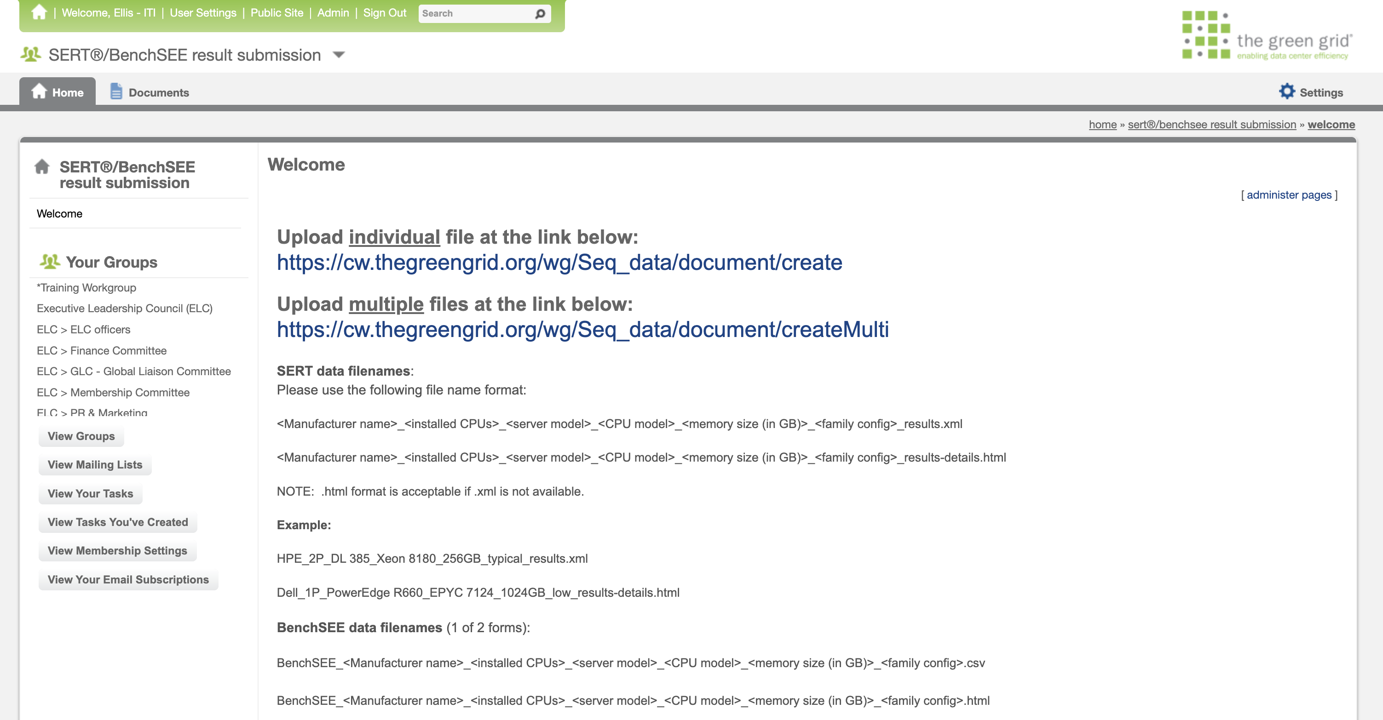

· Click the link to upload multiple files ( you will need to upload multiple files, including your data and the accompanying submission form). You will not be able to revise or view your file once it is uploaded.
o Please use the following sequence for the file name:
 | SERT*
<Manufacturer name>_<installed CPUs>_<server model>_<CPU model>_<family config>_results.xml

 | BenchSEE**
 | BenchSEE_<Manufacturer name>_<installed CPUs>_<server model>_<CPU model>_<family config>.html

The configuration type options are typ, max, min, SA (stand-alone) or other. The typ, max and min types are the typical, maximum, and minimum configuration types required for ENERGY STAR, EU Lot 9, or Japan Energy Law data submissions. Stand alone is for a BenchSee test performed on a single configuration or standalone product (allowed for ENERGY STAR and EU where a single configuration is registered), and other is for BenchSee data generated for non-regulatory purposes. For the draft field please enter the date without spaces in the format <ddMMMyy> (eg. 07Feb21).

After you have entered the data, click ‘upload’. You will see the page illustrated below. The “Permission Denied” message reflects that you are not able to view the folder in which your document has been stored. As long as you see the “Successfully uploaded document” message indicated by the arrow, your file has been saved.
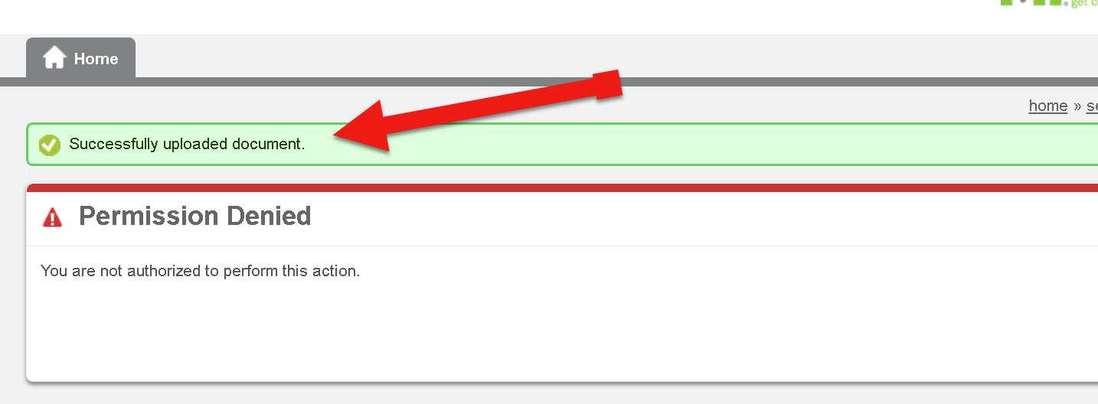

You’re done. Thank you for your participation in this activity!

Additional Notes:
· You will not be able access or edit data once you submit it.
· If you submit data that is incorrect or you would like to update please email: tgg-secretariat@thegreengrid.org
o Please include the name of the data you would like to update.

*You can submit .html SERT data if .xml is not available: <Manufacturer name>_<installed CPUs>_<server model>_<CPU model>_<family config>_results-details.html
**You can submit .csv BenchSEE data if .html is not available: BenchSEE_<Manufacturer name>_<installed CPUs>_<server model>_<CPU model>_<family config>.csv

Existing Member instructions
Instructions on this sheet are for users that are members of The Green Grid.

Uploading files to the SERT / BenchSee results submission group

· If you are not already a member of the BenchSee results submission group:
Click the View Groups link to view the work groups list.
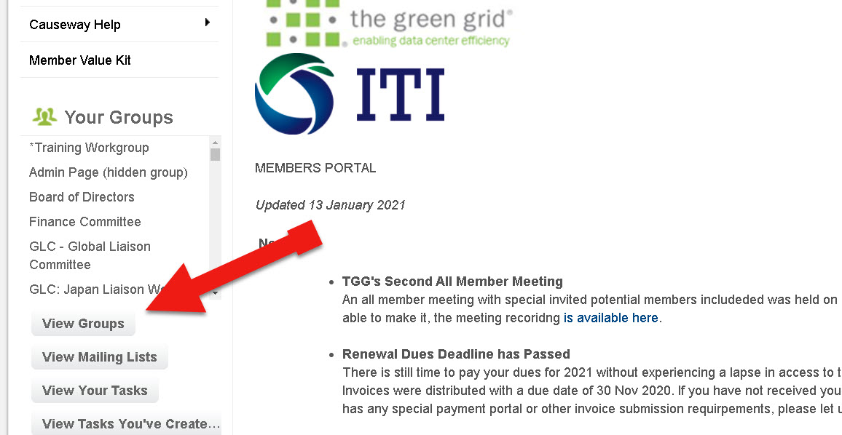

Locate the BenchSee results submission AWG and click the join button.

· Click through the next screen to confirm joining.

· You are now a member of the group in the role of ‘Data provider.’ The Data provider role is much more restricted than the ‘workgroup member’ role that you have in other TGG work groups.
· Select the ‘BenchSee results submission’ link from the view groups list or from the usual pull-down list of your groups.

· You will see this page:

· Click the link to upload multiple files ( you will need to upload multiple files, including your data and the accompanying submission form). You will not be able to revise or view your file once it is uploaded.
o Please use the following sequence for the file name:
 | SERT*
<Manufacturer name>_<installed CPUs>_<server model>_<CPU model>_<family config>_results.xml

 | BenchSEE**
 | BenchSEE_<Manufacturer name>_<installed CPUs>_<server model>_<CPU model>_<family config>.html

The configuration type options are typ, max, min, SA (stand-alone) or other. The typ, max and min types are the typical, maximum, and minimum configuration types required for ENERGY STAR, EU Lot 9, or Japan Energy Law data submissions. Stand alone is for a BenchSee test performed on a single configuration or standalone product (allowed for ENERGY STAR and EU where a single configuration is registered), and other is for BenchSee data generated for non-regulatory purposes. For the draft field please enter the date without spaces in the format <ddMMMyy> (eg. 07Feb21).
After you have entered the data, click ‘upload’. You will see the page illustrated below. The “Permission Denied message reflects that you are not able to view the folder in which your document has been stored. As long as you see the “Successfully uploaded document” message indicated by the arrow, your file has been saved.

You’re done. Thank you for your participation in this activity!

Additional Notes:
· You will not be able access or edit data once you submit it.
· If you submit data that is incorrect or you would like to update please email: tgg-secretariat@thegreengrid.org
o Please include the name of the data you would like to update.

*You can submit .html SERT data if .xml is not available: <Manufacturer name>_<installed CPUs>_<server model>_<CPU model>_<family config>_results-details.html
**You can submit .csv BenchSEE data if .html is not available: BenchSEE_<Manufacturer name>_<installed CPUs>_<server model>_<CPU model>_<family config>.html

TGGDataSubmit

